Sheet1
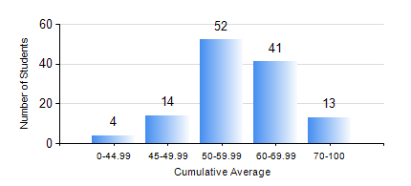
 |  |  | KWAME NKRUMAH UNIVERSITY OF SCIENCE AND TECHNOLOGY, KUMASI Department of Geomatic Engineering

 |  |  | BSC. GEOMATIC ENG.

 |  |  | COMPREHENSIVE RECORD OF EXAMINATION RESULTS

 |  |  | RESULTS OF YEAR 2 FIRST SEMESTER, 2024/2025 ACADEMIC YEAR

 | Sn | Course Code |  | Course Name | Credit Hours | Min. Mark | Max. Mark | Avg. Mark | Std. Dev. | No. Passed | No. Trailed | No. (Df) | No. (I) | No. (I*) | No. Tagged(I,I*,Df) | Total
 | 0. |  |  |  |  |  |  | 0 | 0 | 0 | 0 | 0 | 0 | 0 | 0 | 2
 | 1. | CENG 291 |  | ENGINEERING IN SOCIETY | 2 | 28 | 85 | 69 | 10.05 | 119 | 2 | 0 | 1 | 0 | 1 | 122
 | 2. | ENGL 263 |  | LITERATURE IN ENGLISH I | 1 | 40 | 83 | 67 | 9.43 | 120 | 0 | 0 | 2 | 0 | 2 | 122
 | 3. | GE 251 |  | PRINCIPLES OF PHOTOGRAMMETRY | 3 | 3 | 86 | 56 | 13.21 | 116 | 6 | 0 | 0 | 0 | 0 | 122
 | 4. | GE 261 |  | FIELD AND GEODETIC ASTRONOMY | 3 | 10 | 83 | 60 | 9.69 | 121 | 1 | 0 | 0 | 0 | 0 | 122
 | 5. | GE 263 |  | INFORMATION SCIENCE AND PROGRAMMING | 3 | 40 | 87 | 59 | 10.34 | 122 | 0 | 0 | 0 | 0 | 0 | 122
 | 6. | GE 271 |  | ENGINEERING SURVEYING I | 3 | 17 | 92 | 56 | 15.47 | 106 | 16 | 0 | 0 | 0 | 0 | 122
 | 7. | GE 281 |  | BASIC PHYSICAL GEODESY | 2 | 40 | 95 | 65 | 14.09 | 122 | 0 | 0 | 0 | 0 | 0 | 122
 | 8. | MATH 251 |  | DIFFERENTIAL EQUATIONS | 4 | 40 | 72 | 50 | 7.53 | 122 | 0 | 0 | 0 | 0 | 0 | 122

